Tracking Spreadsheet
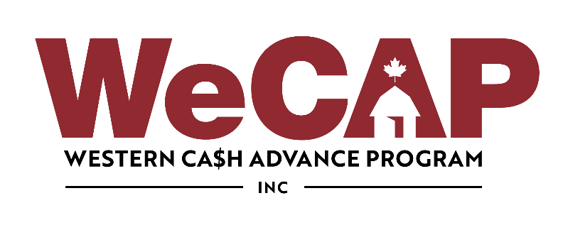
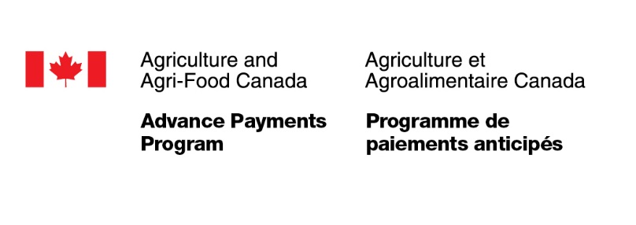

2026 Program Year Interest Rebate Tracking Form
Association :
Month:

APP ID # | Producer Name | Loan # | Advance Date MM/DD/YYYY | Payout Date MM/DD/YYYY | Rebate Recv'd MM/DD/YYYY

Current Year Advance Rates
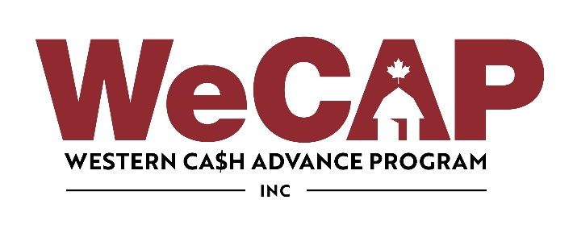

INTEREST REBATE PROGRAM
2026 Advance Rates
Feeders (700 - 900 lbs) | $1802.00
Finished (900 but less 1250 lbs) | $1701.25
Finshed (over 1250 lbs) | $2215.50
Lambs (61 - 79 lbs) | $109.00
Lambs (80 - 109 lbs) | $138.25
Lambs (over 110 lbs) | $170.00

2026 Time Frame
1-Apr-2026 | Applications Start
31-Mar-2027 | End of Applications
30-Sep-2027 | Sheep Loan Payout Deadline
31-Mar-2028 | Cattle Loan Payout Deadline

